Checker
 |  |  | U-PROFILE CHECKER

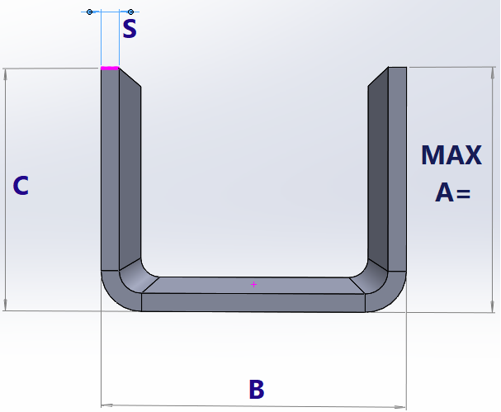
 | Steel/Alu | 2.00
 |  | 1

 |  |  |  |  | MAX A=
 |  |  |  |  | 63.48
 | C≥A
 |  |  |  |  | MIN A/C=
 |  |  |  |  | 9.10

Check tab sheet "Materials" for Matgroup
 |  |  |  | 40.00
 |  |  |  | 3

